Sheet5
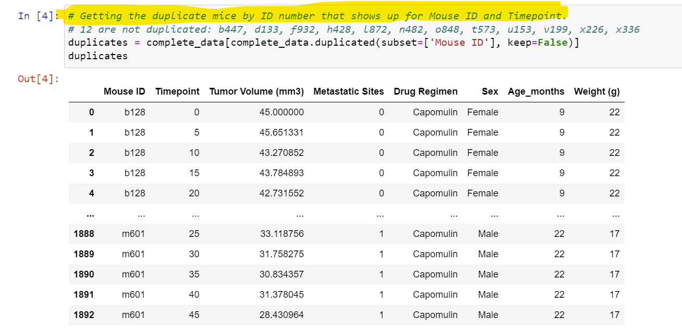

Sheet4
Drug Regimen | Average of Tumor Volume (mm3) | Drug Regimen | Count of Mouse ID
Capomulin | 40.675741141 | Capomulin | 230
Ceftamin | 52.59117181 | Ramicane | 228
Infubinol | 52.884795109 | Ketapril | 188
Ketapril | 55.23563764 | Naftisol | 186
Naftisol | 54.331564658 | Zoniferol | 182
Placebo | 54.033580786 | Stelasyn | 181
Propriva | 52.322552036 | Placebo | 181
Ramicane | 40.216745067 | Ceftamin | 178
Stelasyn | 54.23314912 | Infubinol | 178
Zoniferol | 53.236506552 | Propriva | 161
Grand Total | 50.448380631 | Grand Total | 1893

